Shipment Scheme
 | tax_class | is_marketplace | shipping_type | delivery_type | first_shipment_provider | last_shipment_provider | payment_method
Direct Billing |  |  |  |  | Acommerce/JNE/FIRST LOGISTICS/Seller Fleet | Acommerce/JNE/FIRST LOGISTICS/Seller Fleet | <> CashOnDelivery
Master Account
Retail |  | 0
FBL |  |  | warehouse
Cross Border | international
Go-Jek |  |  |  | express/sameday/nextday |  | Go-Jek
Digital |  |  |  | digital | Digital Delivery | Digital Delivery

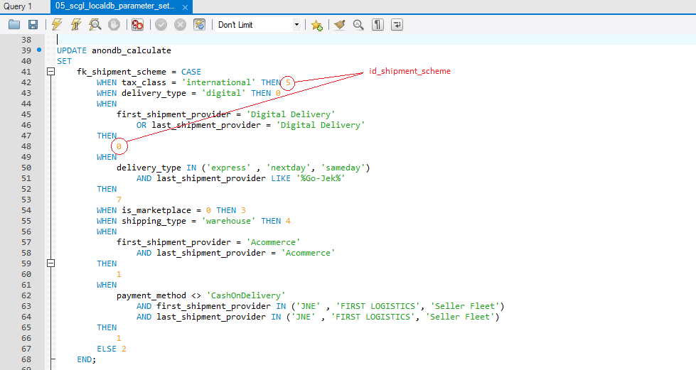
id_shipment_scheme | shipment_scheme
0 | NA
1 | Direct Billing
2 | Master Account
3 | Retail
4 | FBL
5 | Cross Border
6 | Return
7 | Go-Jek

